Sheet1

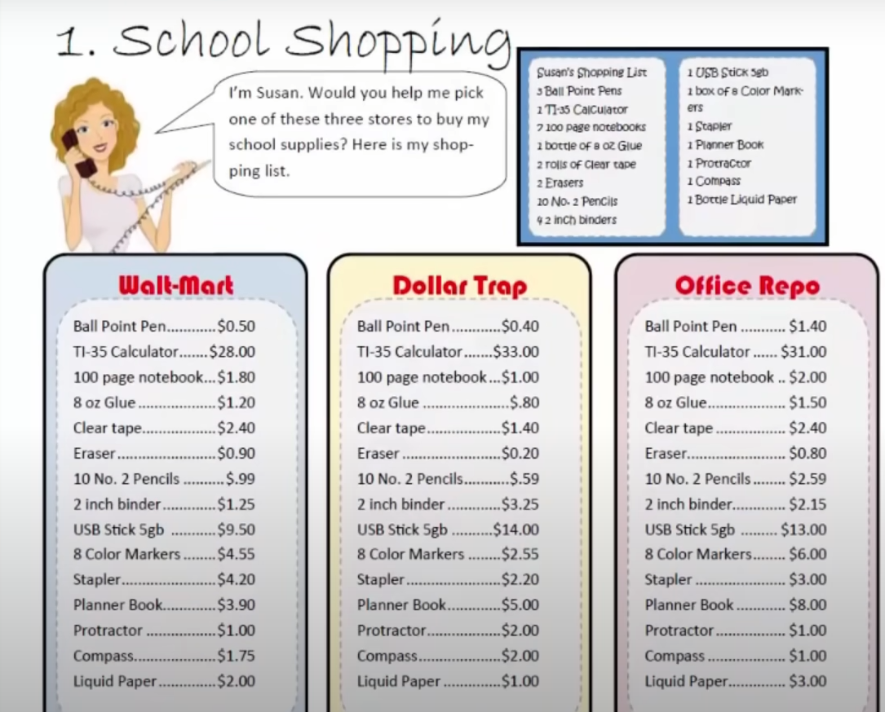
 | Price |  |  |  |  | Bill
 | WaLLMart | Dollar Trap | Office Repo | Items List of susan |  | Wallmart | Dollar Trap | Office repo |  | Price |  |  |  |  | Bill
Ball Point Pen | $0.50 | $0.40 | $1.40 | 3 |  | $1.50 | $1.20 | $4.20 |  | WaLLMart | Dollar Trap | Office Repo | Items List of Tim |  | Wallmart | Dollar Trap | Office repo
TI - 35 Calculator | $28.00 | $33.00 | $31.00 | 1 |  | $28.00 | $33.00 | $31.00 | Ball Point Pen | $0.50 | $0.40 | $1.40 | 5 |  | $2.50 | $2.00 | $7.00
100 Page Notebook | $1.80 | $1.00 | $2.00 | 7 |  | $12.60 | $7.00 | $14.00 | TI - 35 Calculator | $28.00 | $33.00 | $31.00 | 1 |  | $28.00 | $33.00 | $31.00
8 oz Glue | $1.20 | $0.80 | $1.50 | 1 |  | $1.20 | $0.80 | $1.50 | 100 Page Notebook | $1.80 | $1.00 | $2.00 | 4 |  | $7.20 | $4.00 | $8.00
Clear Tape | $2.40 | $1.40 | $2.40 | 2 |  | $4.80 | $2.80 | $4.80 | 8 oz Glue | $1.20 | $0.80 | $1.50 | 2 |  | $2.40 | $1.60 | $3.00
Eraser | $0.90 | $0.20 | $0.80 | 2 |  | $1.80 | $0.40 | $1.60 | Clear Tape | $2.40 | $1.40 | $2.40 | 2 |  | $4.80 | $2.80 | $4.80
10 no.2 Penciils | $0.99 | $0.59 | $2.59 | 1 |  | $0.99 | $0.59 | $2.59 | Eraser | $0.90 | $0.20 | $0.80 | 2 |  | $1.80 | $0.40 | $1.60
2 Inch Blinder | $1.25 | $3.25 | $2.15 | 4 |  | $5.00 | $13.00 | $8.60 | 10 no.2 Penciils | $0.99 | $0.59 | $2.59 | 10 |  | $9.90 | $5.90 | $25.90
USB Stick 5gb | $9.50 | $14.00 | $13.00 | 1 |  | $9.50 | $14.00 | $13.00 | 2 Inch Blinder | $1.25 | $3.25 | $2.15 | 1 |  | $1.25 | $3.25 | $2.15
8 Color Marker | $4.55 | $2.55 | $6.00 | 1 |  | $4.55 | $2.55 | $6.00 | USB Stick 5gb | $9.50 | $14.00 | $13.00 | 1 |  | $9.50 | $14.00 | $13.00
Stapler | $4.20 | $2.20 | $3.00 | 1 |  | $4.20 | $2.20 | $3.00 | 8 Color Marker | $4.55 | $2.55 | $6.00 | 1 |  | $4.55 | $2.55 | $6.00
Planner Book | $3.90 | $5.00 | $8.00 | 1 |  | $3.90 | $5.00 | $8.00 | Liquid paper | $2.00 | $1.00 | $3.00 | 2 |  | $4.00 | $2.00 | $6.00
Protractor | $1.00 | $2.00 | $1.00 | 1 |  | $1.00 | $2.00 | $1.00
Compass | $1.75 | $2.00 | $1.00 | 1 |  | $1.75 | $2.00 | $1.00 |  |  |  |  |  | Total | $75.90 | $71.50 | $108.45
Liquid Paper | $2.00 | $1.00 | $3.00 | 1 |  | $2.00 | $1.00 | $3.00
 |  |  |  |  |  |  |  |  | Shop Tim should shop at is Dollar Trap
 |  |  |  |  | Total | $82.79 | $87.54 | $103.29

Shop susan should shop at is Walmart
Total Price at the stores for Susan list
Total Price at the stores for Tim List

Sheet2
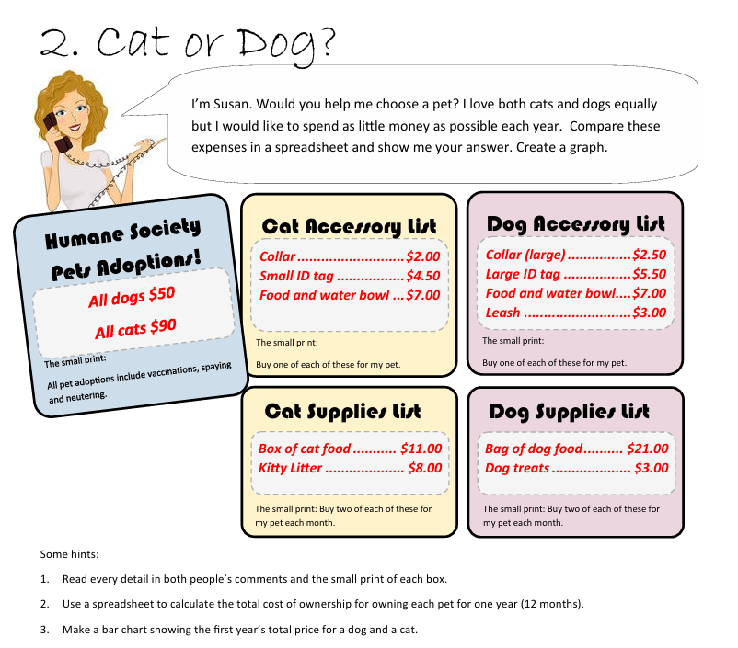
 | Dog | Cat
INITIAL EXPENCE
Purchase | $50.00 | $90.00
Collar | $5.50 | $4.50
Tag | $7.50 | $7.00
Bowl | $3.00 | $-
Leash

Therefore susan should go with Cats
Total Initial Cost | $66.00 | $101.50

 | Dog | Cat
MONTHLY EXPENCE
Food | 21 | 11
Litters | 0 | 8
Treats | 3 | 0
Subtotal | 24 | 19

Monthly Total | 48 | 38

 | Dog | Cat
One Year Cost | $642.00 | $557.50

One year cost of Dog vs Cat

Sheet3
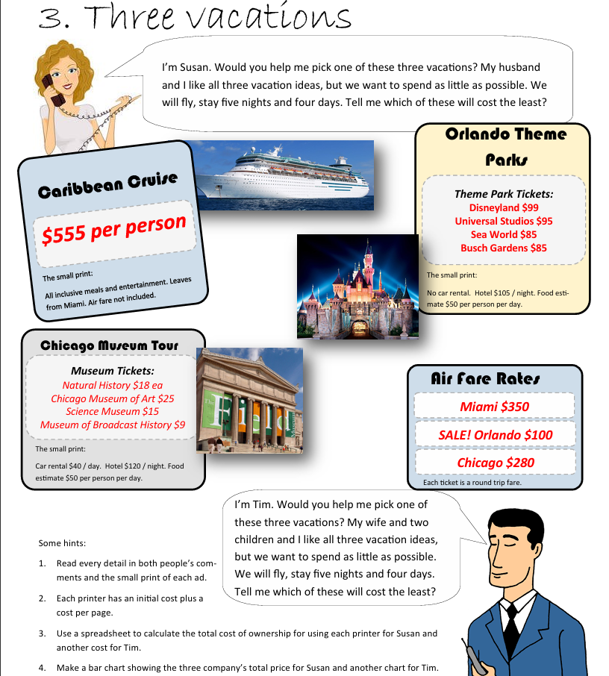
Susan&Tim Family Trip | Miami Caribbean Cruise | Orlando Theme park | Chicago Museum Tour

PER PERSON TRIP EXPENCE
Cruise | $555.00 | $- | $-
Air Fare | $350.00 | $100.00 | $280.00
Natural History | $- | $- | $18.00
Art Museam | $- | $- | $25.00
Science Museam | $- | $- | $15.00
Broadcast History Museam | $- | $- | $9.00
Disney Land | $- | $99.00 | $-
Universal Studio | $- | $95.00 | $-
Sea World | $- | $85.00 | $-
Busch Garden | $- | $85.00 | $-

Sub Total of Tickets(per person) | $905.00 | $464.00 | $347.00
No.of people in the group | 4 | 4 | 4
Total cost of Tickets | $3,620.00 | $1,856.00 | $1,388.00

Hotel Expences
Hotels cost per night | $- | $105.00 | $120.00
Number of Nights | 5 | 5 | 5
Total Cost | $- | $525.00 | $600.00

Car Expences
Car Expences per day | $- | $- | $40.00
Number of days | 4 | 4 | 4
Total Cost | $- | $- | $160.00

Meal Expences
Meal Expences per day | $- | $50.00 | $50.00
Number of Days | 4 | 4 | 4
Number of Persons | 4 | 4 | 4
TotaL Cost | $- | $800.00 | $800.00

All Total Cost | $3,620.00 | $3,181.00 | $2,948.00
All Total Cost of Trip

Therefore the Most affordable trip would be Chicago Museam Tour

Sheet4
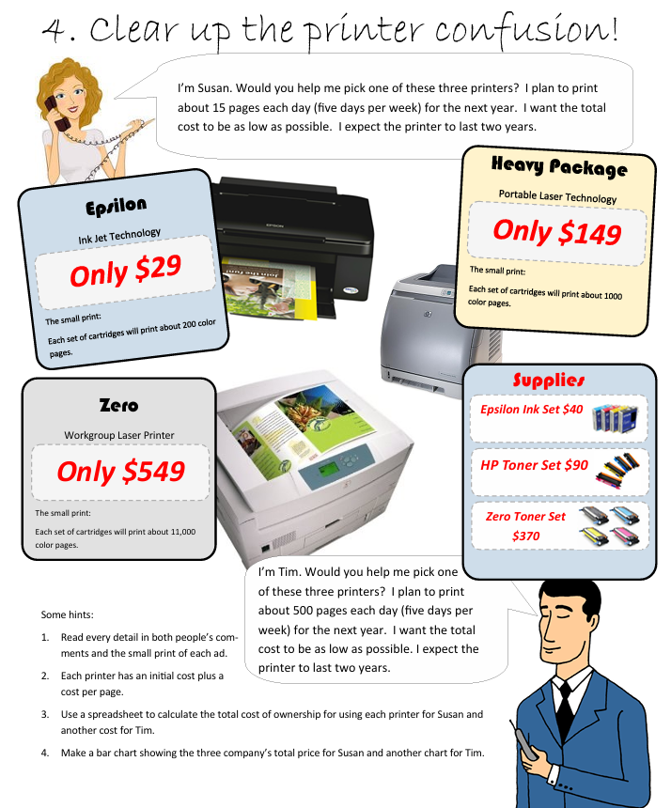
 | Epsilon | Heavy Package | Zero
Purchase Cost | $29.00 | $149.00 | $549.00

Total cost of Printing For 2 Years
 | TOTAL COST | Susan | Tim
Epsilon |  | $1,589.00 | $52,029.00
Heavy Package |  | $851.00 | $23,549.00
Zero |  | $811.36 | $9,294.45
Cost of Cartiledges | $40.00 | $90.00 | $370.00
Pages Cartileges can Print | 200 | 1000 | 11000
Cost Per Page | $0.20 | $0.09 | $0.03

 | SUSAN | TIM
Pages to be printed per day | 15 | 500
Days in a week | 5 | 5
Weeks in a year | 52 | 52
Total pages printed per year | 3900 | 130000

 | Epsilon | Heavy Package | Zero
Printing Cost Per Year
Susan | $780.00 | $351.00 | $131.18
Tim | $26,000.00 | $11,700.00 | $4,372.73

Printing Cost For Two Years
Susan | $1,560.00 | $702.00 | $262.36
Tim | $52,000.00 | $23,400.00 | $8,745.45
THEREFORE BOTH TIM SND SUSAN SHOULD GO FOR ZERO PRINTER SCCORDING TO THEIR NEED
TOTAL COST
Susan | $1,589.00 | $851.00 | $811.36
Tim | $52,029.00 | $23,549.00 | $9,294.45

Sheet5
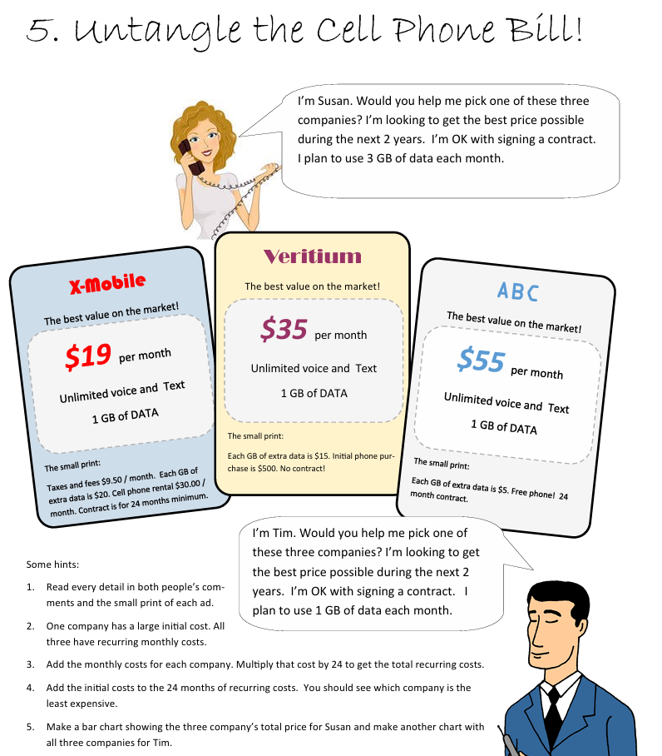
 | X- Mobile | Veritium | ABC
Per Month Cost (for 1 GB of data) | $19.00 | $35.00 | $55.00

Per month cost | $19.00 | $35.00 | $55.00
Taxes & Fees | $9.50 | $- | $-
Cell Phone Rentals | $30.00 | $- | $-
Extra Data Cost | $20.00 | $15.00 | $5.00
Initial Purchase Cost | $- | $500.00 | $-
Contract (months) | 24 |  | 24

Tim (24 month Cost) | $1,404.00 | $1,340.00 | $1,320.00
Susan (24 month Cost) | $2,364.00 | $2,060.00 | $1,560.00
Therefore the best Choice for Susan and Tim is to go with ABC Telecom

Sheet6
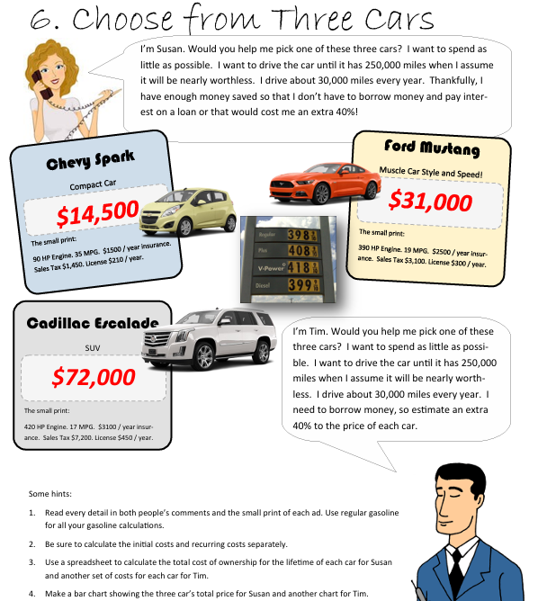
SUSAN | Chevy Spark | Ford Mustang | Cadiilac Escalade | TIM | Chevy Spark | Ford Mustang | Cadiilac Escalade
INTITAL COSTS |  |  |  | INTITAL COSTS
Car Price | $14,500.00 | $31,000.00 | $72,000.00 | Car Price | $20,300.00 | $43,400.00 | $100,800.00
Sales Tax | $1,450.00 | $3,100.00 | $7,200.00 | Sales Tax | $1,450.00 | $3,100.00 | $7,200.00

YEARLY COST |  |  |  | YEARLY COST
Insurance | 1500 | 2500 | 3100 | Insurance | 1500 | 2500 | 3100
Licence | 210 | 300 | 450 | Licence | 210 | 300 | 450
Gas | 3412 | 6285 | 7024 | Gas | 3412 | 6285 | 7024

GAS COST CALCULATION |  |  |  | GAS COST CALCULATION
MPG | 35 | 19 | 17 | MPG | 35 | 19 | 17
Miles per year Driven | 30000 | 30000 | 30000 | Miles per year Driven | 30000 | 30000 | 30000
Per Gallon of Gas Cost | 857.15 | 1578.95 | 1764.71 | Per Gallon of Gas Cost | 857.15 | 1578.95 | 1764.71

Gas type Regular Costs $3.98 per Gallon | 3.98 |  |  | Gas type Regular Costs $3.98 per Gallon | 3.98
Total Annual Gas Purchase | 3412 | 6285 | 7024 | Total Annual Gas Purchase | 3412 | 6285 | 7024

Total Annual Cost (INS+GAS+LIS) | 5122 | 9085 | 10574 | Total Annual Cost (INS+GAS+LIS) | 5122 | 9085 | 10574

Miles to drive each year | 30000 |  |  | Miles to drive each year | 30000
Goals for maximum miles | 250000 |  |  | Goals for maximum miles | 250000
Life Expantancy (in years) | 8.4 |  |  | Life Expantancy (in years) | 8.4

TOTAL LIFETIME COST | $58,974.80 | $110,414.00 | $168,021.60 | TOTAL LIFETIME COST | $64,774.80 | $122,814.00 | $196,821.60

Therefore both Susan and Tim should go for Chevy Spark

